Sheet1
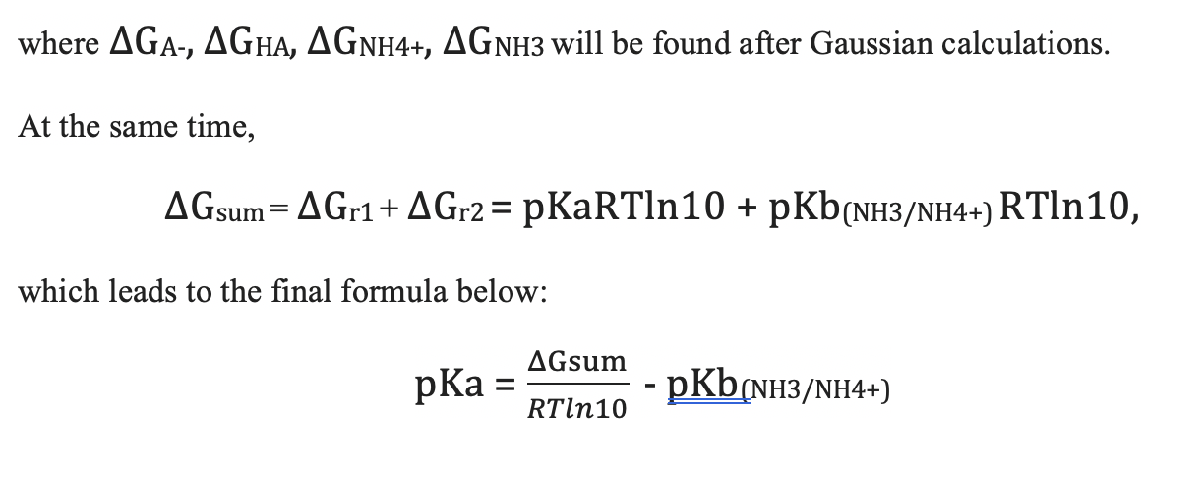
name | charged_pka (ΔGA-) | neutral_pka (ΔGHA) | eV
2-2 | -105216.09881 | -105203.41114 |  |  | T = | 298.15 | K
2-20 | -106284.96615 | -106272.45291 |  |  | R = | 1.99E-03 | kcal/mol/K
2-3 | -22582.800391 | -22570.159222 |  |  | H_const = | -265.6
2-46 | -27159.666156 | -27172.208048 |  |  | pKb = | 4.76
NH3 | -1550.9861249 | -1538.4263437 |  |  | ln10= | 2.302585093

Changing energy from eV to kcal/mol (1 eV/particle is equivalent to |  |  | 23.0621 | kcal/mol)

name | charged_pka (ΔGA-) | neutral_pka (ΔGHA) |  | ΔGsum (kcal/mol) | pKa
2-2 | -2426504.1923 | -2426211.5881 |  | -582.25913692 | -4.32E+02
2-20 | -2451154.5178 | -2450865.9363 |  | -578.23634864 | -4.29E+02
2-3 | -520806.80089 | -520515.269 |  | -581.18681928 | -4.31E+02
2-46 | -626358.93685 | -626648.17923 |  | -0.41254551078 | -5.06E+00
NH3 | -35768.997112 | -35479.342181

